Cover
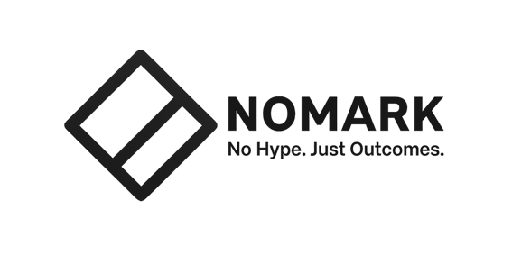

ADM Transparency
Readiness Pack

Privacy Act 1988 (Cth), APP 1.7 to 1.9
Commences 10 December 2026

The disclosure is the easy part. Knowing what to write is the work. This pack is the programme: find every decision your software makes about a person, test it against the three limbs, and evidence the conclusion.

Document control
Version | 1.0
Issued | 20 August 2026
Prepared by | Reece Frazier, NOMARK
Contact | https://nomark.au/adm-readiness-pack
Status of the law | APP 1.7 to 1.9, the 10 December 2026 commencement, the transition provision and the penalty tiers are settled.
Status of guidance | OAIC final ADM guidance UNPUBLISHED as at issue date. Expected September 2026. Threshold interpretations may move.
Licence | Free to use, copy and adapt. No attribution required.
Disclaimer | General information, not legal advice. Obtain advice on your own circumstances.

Contents
1 Plan | Sixteen weeks, sequenced backwards from commencement.
2 Inventory | One row per decision. The register everything else hangs off.
3 Assessment | The three limbs, with a scoring rubric for the substantial test.
4 Vendors | Six questions and four contract provisions.
5 Disclosure | What goes in the privacy policy, and how to write it short.
6 Reference | Primary sources, separated by evidential weight.

How to use it
Fill-in cells | Shaded sand. Everything else is either fixed guidance or a formula.
Example rows | Each tab carries one worked row in grey italic. Delete it before you start.
Order | Plan, then Inventory, then Assessment. Vendors and Disclosure run in parallel from week 5.
One rule | One row per DECISION, never per system. A single system commonly makes several decisions with different risk profiles.

Position
Decisions inventoried | 0
In scope | 0
Borderline | 0
Out of scope | 0
Override rate not known | 0

